6-8.Ingre&Nutrition&Allergens
6.Product Composition
Ingredients |  | Components |  | % Composition | Supplier Names |  |  | Country of Origin | Genetically modified?
(Including E numbers and *functions for additives) |  | (if ingredient is composed of several sub-ingredients) |  | (Please list the ingredients in descending order) | (Please list all suppliers per ingredient)
wakame |  |  |  | 100.00% | Dalian Tianhao Food Co., LTD |  |  | China
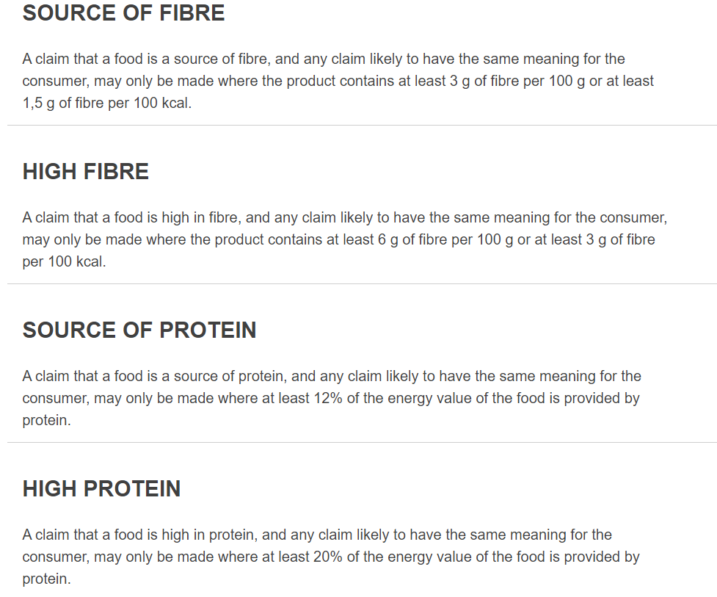
 |  |  | Total | 100.00%
*Please choose the functional of food additives from below: sweeteners / colours / preservatives / antioxidants / carriers / acids / acidity regulators / anti-caking agents / anti-foaming agents / bulking agents / bulking agents / emulsifiers / emulsifying salts / firming agents / flavor enhancers / foaming agents / gelling agents / glazing agents / humectants / modified starches / packaging gases / propellants / raising agents / sequestrants / stabilisers / thickeners / flour treatment agents / contrast enhancers * Not Mandatory

Are Genetically Modified Organisms handled on manufacturing site? |  |  |  | No
Is GMO free certificate available for the ingredients at GMO risk?
7.Nutritional Information
Typical Values |  | Per 100g/100ml
Energy (Kcal/KJ) |  | 205.5Kcal: 860KJ:
Fat |  | 1.6g
of which saturate fat |  | 0.36g
of which monounsaturated fat* |  | g
of which, polyunsaturated fat* |  | g
Carbohydrate |  | 10.5g
of which sugar |  | 4.9g
of which Polyols* |  | g
of which starch* |  | g
Fibre* |  | 36.1g
Protein |  | 19.6g
Salt |  | 21.1g |  | Sodium in mg x 2.5 /1000 = salt in g
NOTE: Must attach lab analyses report
8.The fourteen Allergens – Regulation (EU) No 1169/2011
 | Potential Component |  |  | Product contains? | in which ingredient? | Handled on manufacturing site? | Risk of Cross Contamination
 | *Please tick in the box |  |  | Yes? |  | Yes/No | Yes?
01 | Cereals containing gluten including wheat, Rye, Barley, Oats, Spelt & Khorasan and products thereof: |  |  | No |  | No | No
02 | Crustaceans and products thereof: |  |  | No |  | No | Product harvested from sea, may contain crustaceans, fish and molluscs.
03 | Fish and products thereof: |  |  | No |  | No
04 | Molluscs and products thereof: |  |  | No |  | No
05 | Peanuts and products thereof: |  |  | No |  | No | No
06 | Soybeans and products thereof: |  |  | No |  | No | No
07 | Milk and products thereof: |  |  | No |  | No | No
08 | Nuts and products thereof: |  |  | No |  | No | No
09 | Celery and products thereof: |  |  | No |  | No | No
10 | Mustard and products thereof: |  |  | No |  | No | No
11 | Sesame seeds and products thereof: |  |  | No |  | No | No
12 | Sulphur Dioxide or Sulphites: |  |  | No |  | No | No
13 | Lupin and products thereof: |  |  | No |  | No | No
14 | Egg and products thereof: |  |  | No |  | No | No

9-13.Quality Attributes
9.Pesticide residues & Heavy Metal Standard
Test Item |  | EU MRL standard | Contry of Origin MRL Standard | Test Frequency
Lead |  |  | <1.0 mg/kg | Once a year
Cadmium |  |  | <1.0 mg/kg | Once a year
Arsenic |  |  | <1.0 mg/kg | Once a year
Mercury |  |  | Not Required | Not Required
Mycotoxins |  |  | Not Required | Not Required
Pesticides |  |  | Not Required | Not Required
pH |  |  | Not Required | Not Required
Salt |  |  | Not Required | Not Required
Acidity |  |  | Not Required | Not Required
Moisture |  |  | Not Required | Not Required
Other |  |  | Not Required | Not Required
10.Acrylamide
Are Products at risk of acrylamide? |  |  |  |  | No
If Yes. What mitigation measures are in place to manage acrylamide levels with the food?
11.Radioactivity | *occurs naturally in all food and can be transferred into food in different ways eg crops from soil, drinking water from the earth, Fish and Shellfish from the water or Sea floor.
Has the product/ingredient been irradiated? |  |  |  |  | No
Is the product/ingredient subject to potential radioactive cross contamination? |  |  |  |  | No
If yes, what controls in place
Has the product/ingredient been imported into the UK from a country that has high levels of radioactivity? |  |  |  |  | No
If Yes, how is this controlled and what checks are carried out?
12.Microbiology Standards | *Please insert GB standard
Micro-organisms | Type | EU satisfactory in ready to eat | Contry of Origin Standard | Manufacturer Standard | Test Frequency
TVC | Quality Indicator | <104 | <3*104 | <3*104 | One/each production day | *please clarify by filling in how many samples per day/PO rather than by each lot
Escherichia coli | Hygiene indicator | <20 | <20 | <20 | One/each production day
Enterobacteriaceae | Hygiene indicator | <100
Listeria spp | Hygiene indicator | Not Detected | Not Detected | Not Detected | As needed
Listeria monocytogenes | Pathogens | Not Detected
Campylobacter spp. | Pathogens | Not Detected
Escherichia coli O157 | Pathogens | Not Detected
Salmonella spp. | Pathogens | Not Detected | Not Detected | Not Detected | As needed
Shigella spp. | Pathogens | Not Detected
Vibrio cholera (O1 and O139) | Pathogens | Not Detected
Vibrio parahaemolyticus | Pathogens | <20
Bacillus cereus | Pathogens | <103 | Not Detected | Not Detected | As needed
Bacillus spp. | Pathogens | <103
Clostridium perfringens | Pathogens | <10
Staphylococcus aureus and other coagulase-positive staphylococci | Pathogens | <20
13.Quality Attributes
Standard Product Photo & Description |  | Rejected Product Photo& Description
IE. Grading, Sizing, Appearance, Flavor/taste, Texture, Colour, smell |  | IE. Grading, Sizing, Appearance, Flavor/taste, Texture, Colour, smell
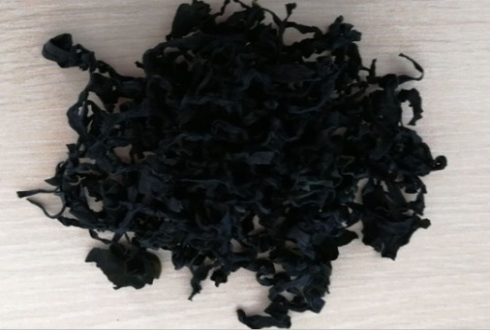 |  | 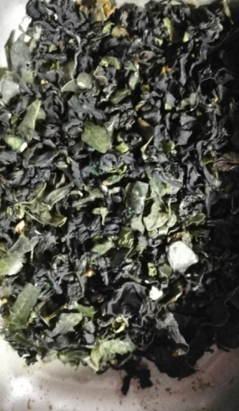
Size:500g |  | Size:<500g
Color:Dark or Dark Green color |  | Color:Yellow or white color
Smell/Aroma:Typical wakame aromatic |  | Smell/Aroma:Odor
Flavor/taste:wakame aroma taste |  | Flavor/Taste:without wakame taste
Texture:Dry flake without salt crumbs and impurities |  | Texture:Dry flake with salt crumbs and impurities

14-16.Quantity&packaging info
14.Quantity Attributes
 | Unit | Case |  |  | In the case of using average quantity control system, please provide:
Unit Drained Weight (If Product contains liquid) | N/A | N/A |  |  | 1. Quantity system review, corrective action record, training record
Net Weight | 50g | 3kg |  |  | 2. Measuring equipment maintainance record
Gross Weight | 56g | 5.24kg |  |  | 3. Sampling plan with target quanity and control limit appropriately set
Weight Control Method | Minimum ☐ | Average ☒ |  |  | 4.Keep the records for the shelflife of the product
Is the product packed in a Protective atmosphere? (if yes, indicate the composition on gases used if applicable) |  |  | No
Is the product vacuum packed? |  |  | No
Primary Package Plastic Material Comply with Commission Regulation (EU) No 10/2011 |  |  | Yes
15.Packaging Weight Dimensions
 | Description/Color | Materials *please indicate the plastic material from below 01-07 | Weight (g) | Dimensions (mm)
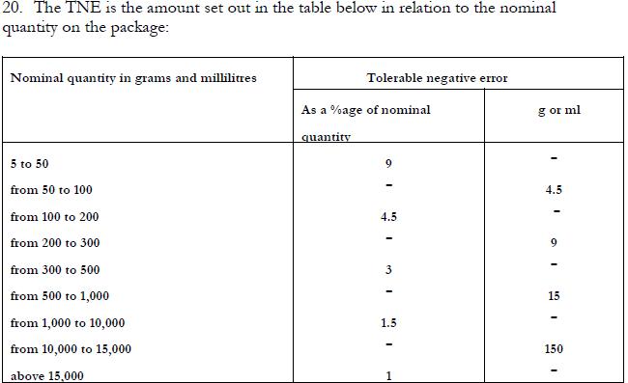
Primary： | To be provided by customer | 01，04 | 6 | L 150
 |  |  |  | W 200
 |  |  |  | H
Secondary: | To be provided by customer | Paper | 180 | L 260
 |  |  |  | W 140
 |  |  |  | H 190
Tertiary: | Brown | Corrugated paper carton | 800 | L 530
 |  |  |  | W 450
 |  |  |  | H 200

16.Pallet Configuration
 | EU Pallet Configuration (0.8m x 1.2m) |  | UK Pallet Configuration (1.0m x 1.2m)
Cases per layer | 2 |  | 4
Number of layers | 8 |  | 8
Number of pallet / 20FCL | 10 |  | 10
Number of pallet / 40FCL | 20 |  | 20
20FCL Max Load | 160 |  | 320
40FCL Max Load | 320 |  | 640
Pallet Top-View |  |  | 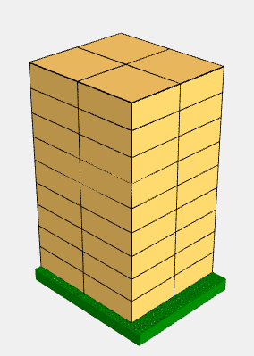
 | *pallet height must lower than 1.75m

17-20.HACCP,Artwork&SpecAuthor.
17.Process Flow Chart- (showing all CCPs)
Please provide in the form a Critical Control Point (CCP), a description of the process/packing operations including processing times tempuratures where applicable and in process Safery Control Checks (CCP Summary) and Quality Checks.
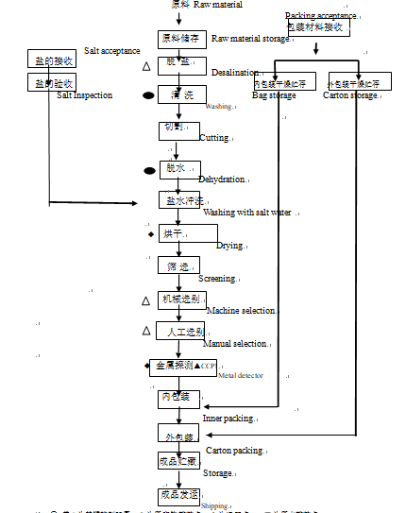

18.Critical Control Points
CCP | Control Measure |  | Critical Limit | Monitoring Frequency
CCP1 | Metal detection |  | Fe:1.0mm, SUS:2.mm, Non-Fe:3.0mm | Every hour

19.Artwork
Inner Label / Package Design artwork |  | Outer Label / Package Design artwork
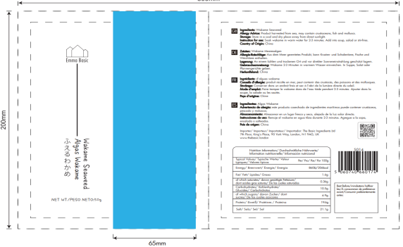 |  | 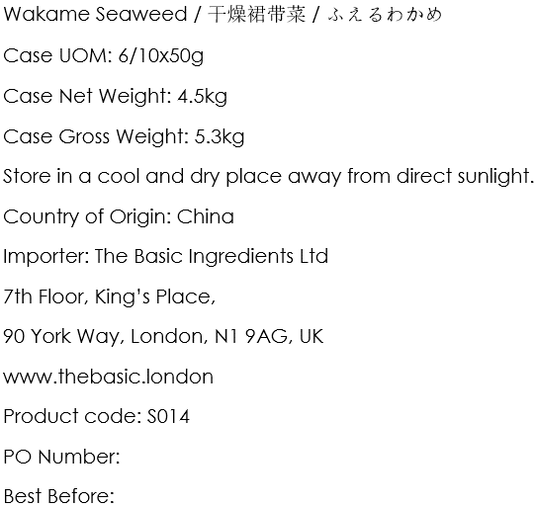

20.Packaging Photos
Finished Product with Primary package | Outer Case (Secondary) |  | Tertiary
 | 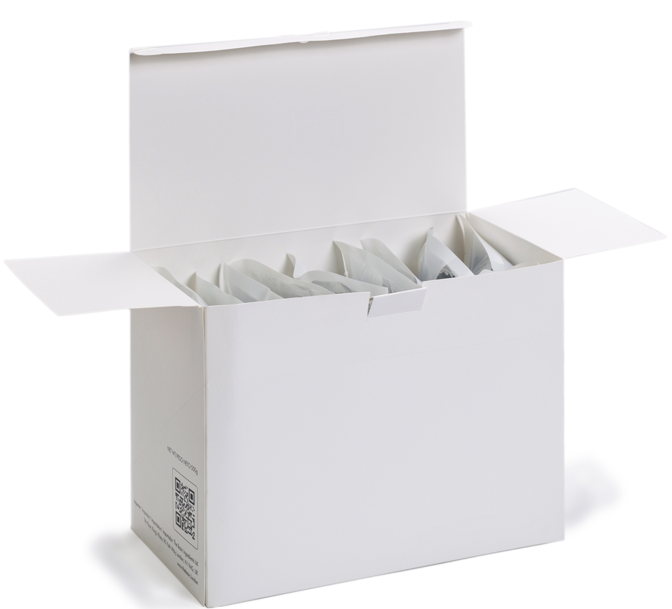 |  | 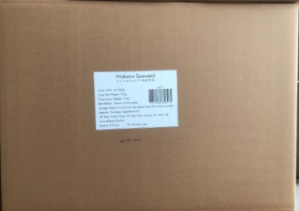
Specification Authorization
1.Product to be supplied in accordance with this agreed specification. No changes are to be made without prior knowledge and prior written agreement of The Basic Ingredients Ltd technical department. 2.The contents of this specification are confidential and should not be disclosed to a third party without a written approval of The Basic Ingredients Ltd technical department.
Manufacture Name | Dalian Tianhao Food Co., LTD
Signature
Print Name | Joanna Wang
Position in Company | Salesperson
Date | 2023-05-02

The Basic ingredients team use only
Signature | Nancy Deng
Print Name | Nancy Deng
Position in Company | Technical Account Manager
Date | 2023-05-02

